answers for
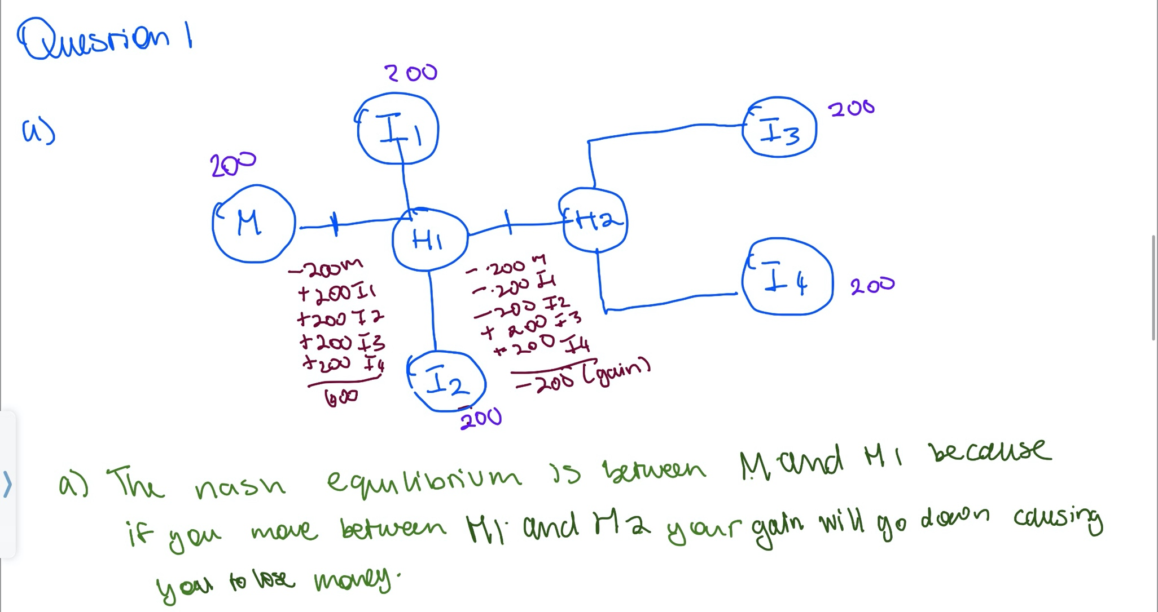
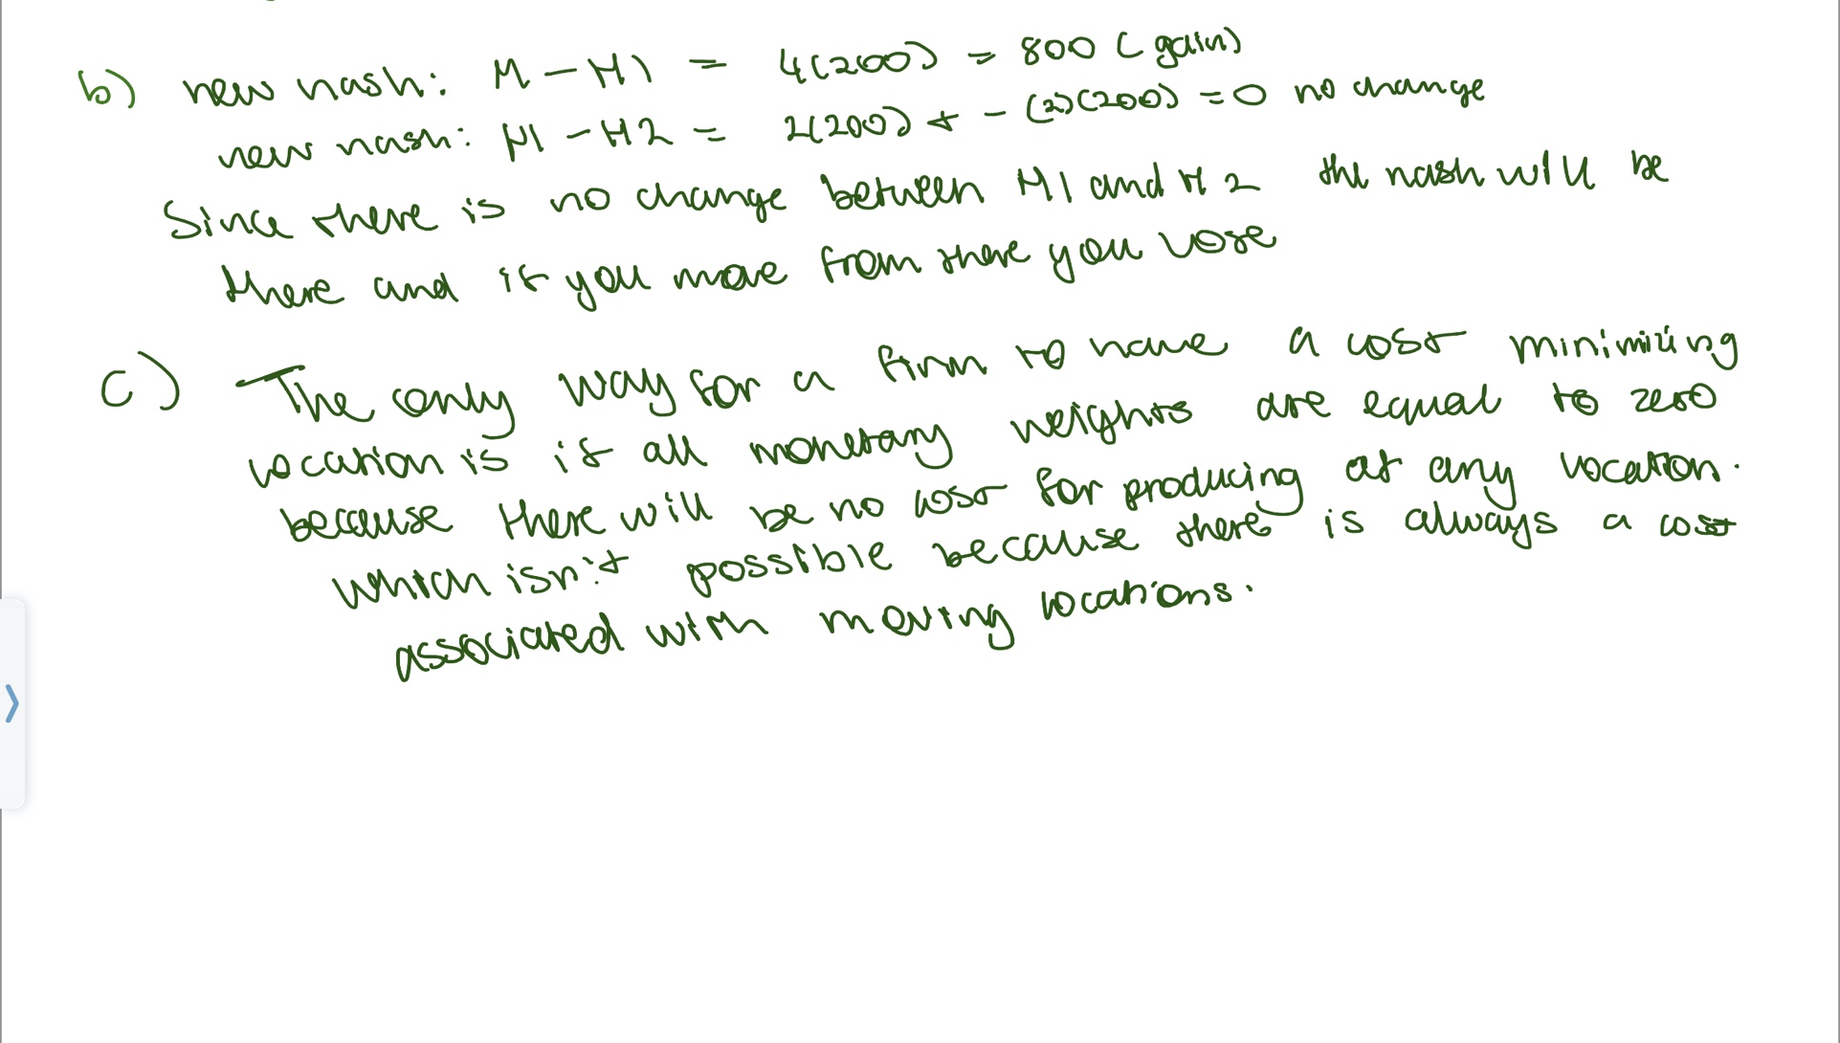

Question 2 | employment
Year | CR4 | HHI | GINI
1998 | 0.2255 | 0.0243 | 0.6931
2016 | 0.2127 | 0.0217 | 0.6795
 | Annual Payroll
1998 | 0.2619 | 0.0299 | 0.7423
2016 | 0.2393 | 0.0252 | 0.7135

Question 3
Country | Income | actual share | L | equal share | ED | ED-L
C | 10 | 0.02 | 0.02 | 0.125 | 0.125 | 0.105
E | 10 | 0.02 | 0.04 | 0.125 | 0.25 | 0.21
H | 15 | 0.03 | 0.07 | 0.125 | 0.375 | 0.305
B | 25 | 0.05 | 0.12 | 0.125 | 0.5 | 0.38
G | 35 | 0.07 | 0.19 | 0.125 | 0.625 | 0.435
D | 100 | 0.2 | 0.39 | 0.125 | 0.75 | 0.36
A | 125 | 0.25 | 0.64 | 0.125 | 0.875 | 0.235
F | 180 | 0.36 | 1 | 0.125 | 1 | 0

SUM= | 500 |  |  | SUM OF HEIGHTS |  | 2.03
 |  |  |  | WIDTH TIMES HEIGHT |  | 0.25375

 |  |  |  | gini | 0.5075

